BitReport_Min
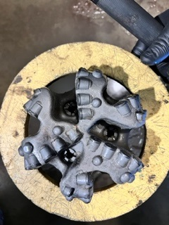
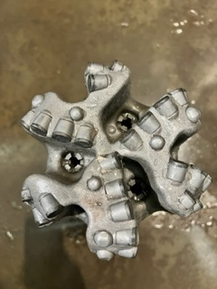
Dull Grading Report |  |  |  |  |  | 8.75 TAUREX TXD613
Size (in) | 8.75 in |  | Rig | H&P 556 |  | Well | Carnival Fed Com 302H
Manufacturer | TAUREX
Type | TXD613
Serial # | S13777
BOM #

MD In | 10,490 | Ft
MD Out | 16,431 | Ft
On Bottom | 55.9 | Hours
IADC | 64.5 | Hours
Footage | 5,941 | Ft
On Bot ROP | 106.3 | Ft/hr
IADC ROP | 92.1 | Hours
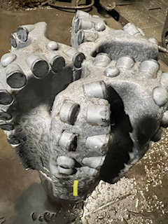
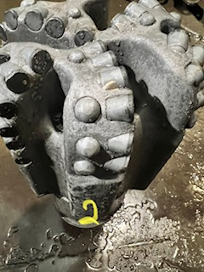
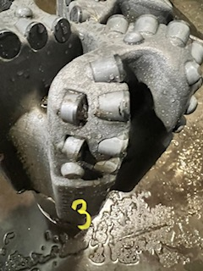

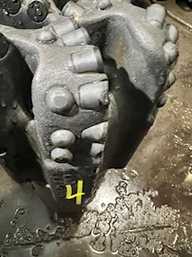
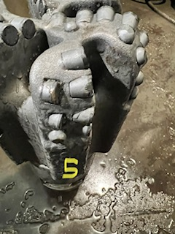
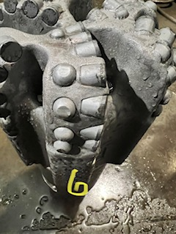

Inner | Outer | Char | Location | Bearings | Gage | Oth Chr | Rsn Pull
1 | 1 | WT | S | X | I | NO | BHA | Date : | 28-Feb-23

